records
Sample Measurement Record
Mano Engineering LLC |  |  |  |  |  | Part No. VT37E24BH750
No. | A | B | C | D | E |  | Ref for B
1 | 0.64565 | 7.07/32 | 0.19 | 0.7405 | 0.368 |  | 0.221
2 | 0.65015 | 7.1/32 | 0.1945 | 0.7415 | 0.3685 |  | 0.222
3 | 0.6484 | 7.06/32 | 0.1935 | 0.7345 | 0.3685 |  | 0.2205
4 | 0.64495 | 7.07/32 | 0.1895 | 0.7485 | 0.3685 |  | 0.221
5 | 0.6503 | 7.07/32 | 0.1835 | 0.738 | 0.3685 |  | 0.221

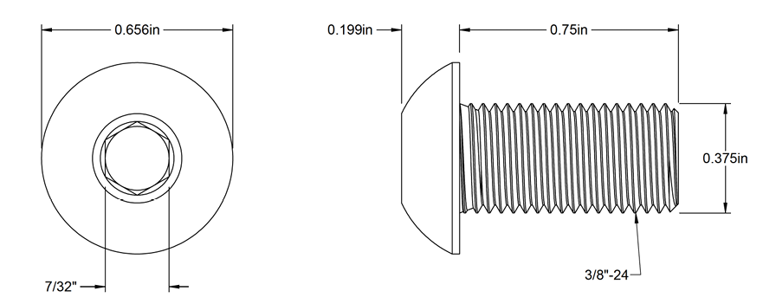
A
C
D

E

B

